GENERAL
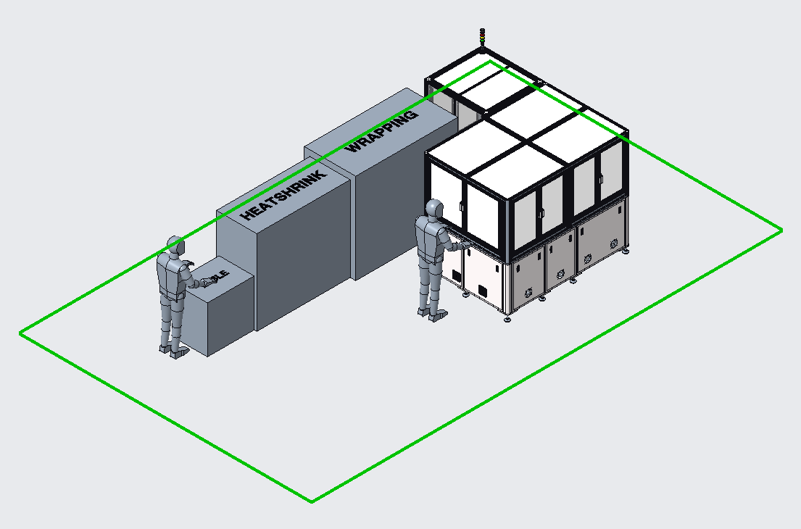
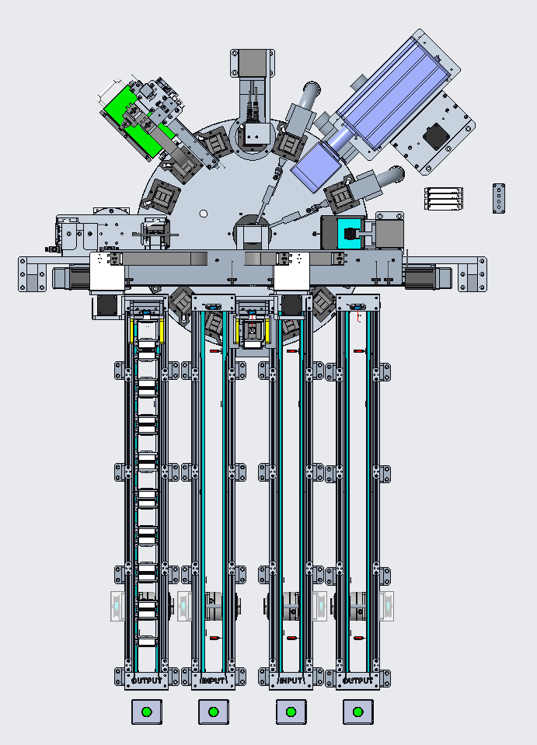
8
9
2
10
 |  | NO | Module | NO | Station on Turn Table
 |  | 1 | INPUT/OUTPUT CONVEYOR | 1 | INPUT LIFTER
 |  | 2 | LEFT/RIGHT MAGAZINE GRIPPER | 2 | -
3
7
 |  | 3 | MAGAZINE HOLDER | 3 | -
 |  | 4 | TURN TABLE | 4 | -
4
1
6
 |  | 5 | OCR READER | 5 | OCR READER
11
4
5
 |  | 6 | BLOWER#1 | 6 | BLOWER#1
2
 |  | 7 | TOP&BOTTOM LASER | 7 | TOP&BOTTOM LASER
 |  | 8 | BLOWER#2 | 8 | CLOWER#2
3
 |  | 9 | 2D ID READER | 9 | 2D ID READER
 |  | 10 | REJECT | 10 | -
 |  | 11 | OUTPUT ROTARY TABLE | 11 | REJECT
 |  |  |  | 12 | -
 |  |  |  | 13 | OUTPUT ROTARY TABLE
 |  |  |  | 14 | -
 |  |  |  | 15 | -
1
 |  |  |  | 16 | -
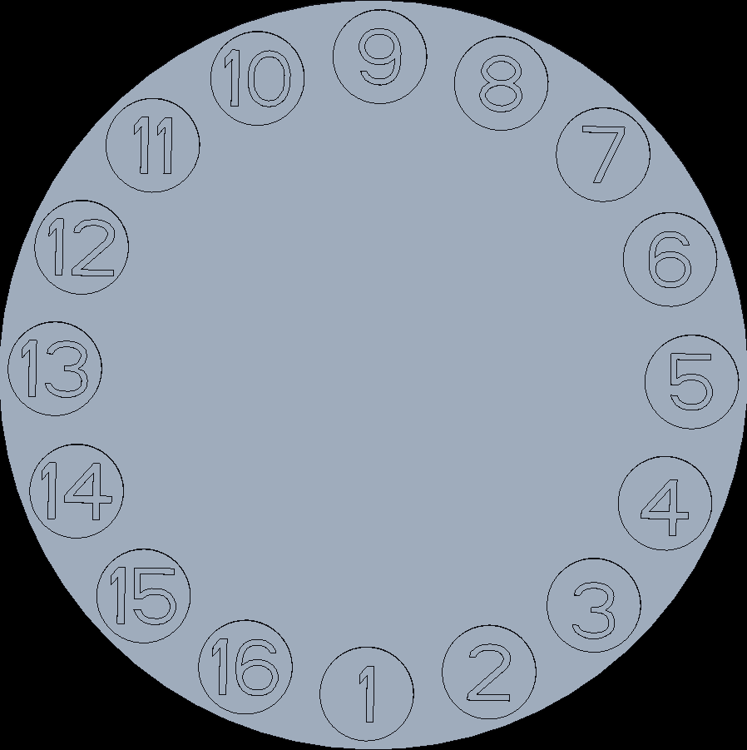

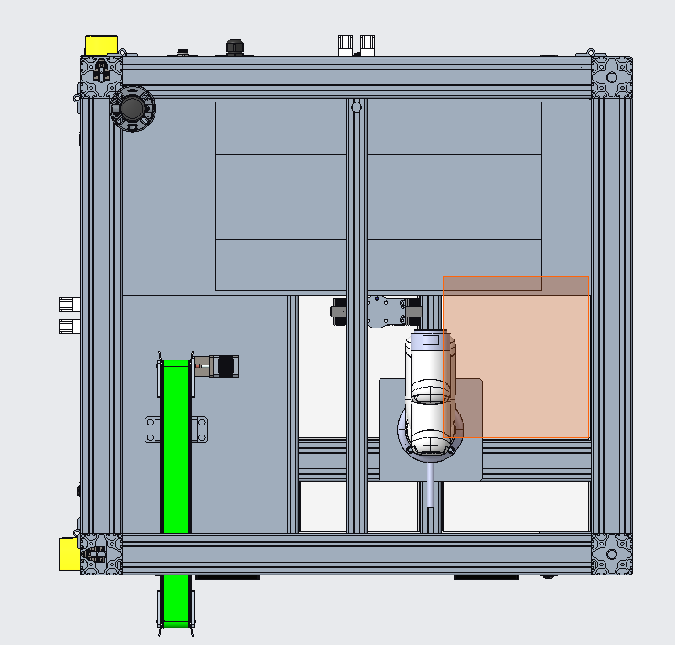
NO | Machine
1 | WAFFLE PACK MARKING MACHINE
2 | ROBOT PICK&PLACE MACHINE
3 | WRAPPING MACHINE
4 | HEATSHRINK MACHINE

2
NO | Module
1 | ROBOT PICK&PLACE
2 | STRAPPING
3 | OUTPUT CONVEYOR

1

3

CONVEYOR
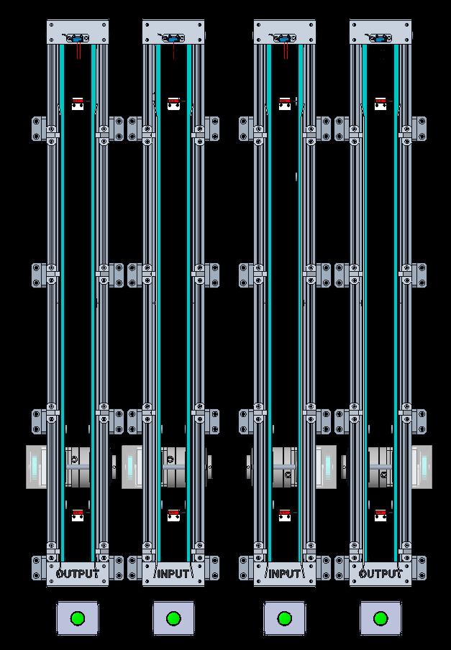
4
8
12
16
INPUT
NO | DESCRIPTION | BRAND | PART NO | IO NO | REMARK
1 | LeftOutCvBtn | AUTONICS | S2PR-P3GAD | X200
2 | SensLeftOutCvMagPrst | SICK | GTB2S-N1331 | X201 | NO
3 | SensLeftOutCvMagFull | SICK | GTB2S-N1331 | X202 | NO
4 | SensLeftOutCvMagClr | SICK | GTB2S-E1331 | X203 | NC
5 | LeftInCvBtn | AUTONICS | S2PR-P3GAD | X204
3
7
11
15
6 | SensLeftInCvMagPrst | SICK | GTB2S-N1331 | X205 | NO
7 | SensLeftInCvMagFull | SICK | GTB2S-N1331 | X206 | NO
8 | SensLeftInCvMagClr | SICK | GTB2S-E1331 | X207 | NC
9 | RightInCvBtn | AUTONICS | S2PR-P3GAD | X304
10 | SensRightInCvMagPrst | SICK | GTB2S-N1331 | X301 | NO
11 | SensRightInCvMagFull | SICK | GTB2S-N1331 | X302 | NO
12 | SensRightInCvMagClr | SICK | GTB2S-E1331 | X303 | NC
13 | RightOutCvBtn | AUTONICS | S2PR-P3GAD | X300
14 | SensRightOutCvMagPrst | SICK | GTB2S-N1331 | X305 | NO
15 | SensRightOutCvMagFull | SICK | GTB2S-N1331 | X306 | NO
16 | SensRightOutCvMagClr | SICK | GTB2S-E1331 | X307 | NC
17
18
19
20
21
22
23
24
25

OUTPUT
NO | DESCRIPTION | BRAND | PART NO | IO NO | REMARK
1 | LeftOutCvMove |  |  | Y200
2 | LeftInCvMove |  |  | Y201
3 | LeftInCvDirection |  |  | Y202
4 | RightOutCvMove |  |  | Y300
5 | RightInCvMove |  |  | Y301
6 | RightInCvDirection |  |  | Y302
7
8
9
10
11
1
3
5
4
12
1
2
6
13
2
3
4
14
5
6
15
2
6
10
14
16
17
18
19
20
21
22
23
24
1
13
25
5
9
MOTOR
NO | DESCRIPTION | BRAND | PART NO | IO NO | REMARK
1 | LeftOutCvMotor | SPG | S8I25GX-V12CE +SUA25IX-V12
2 | LeftInCvMotor | SPG | S8I25GX-V12CE +SUA25IX-V12
3 | LeftInCvRevMotor | SPG | S8I25GX-V12CE +SUA25IX-V12 |  | SOFT BUTTON, CUT OFF AC POWER BEFORE CHAGNE THE DIRECTION ON SPEED CONTROLLER
4 | RightInCvMotor | SPG | S8I25GX-V12CE +SUA25IX-V12
5 | RightInCvRevMotor | SPG | S8I25GX-V12CE +SUA25IX-V12 |  | SOFT BUTTON, CUT OFF AC POWER BEFORE CHAGNE THE DIRECTION ON SPEED CONTROLLER
6 | RightOutCvMotor | SPG | S8I25GX-V12CE +SUA25IX-V12
7
8
9
10

STOPPER
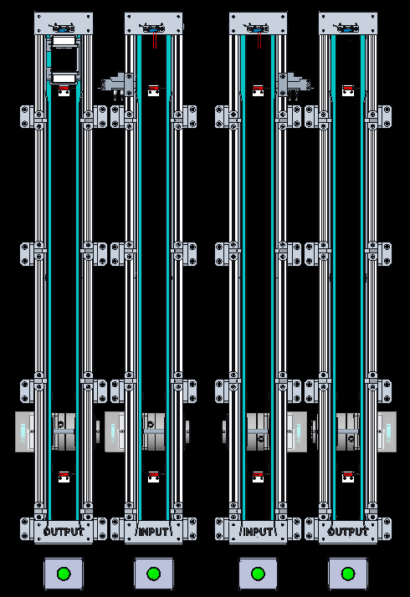
INPUT
NO | DESCRIPTION | BRAND | PART NO | IO NO | REMARK
1 | SensLeftStopperExt | AIRTAC | DMSH-020 | X208
2 | SensLeftStopperRet | AIRTAC | DMSH-020 | X209
3 | SensRightStopperExt | AIRTAC | DMSH-020 | X308
4 | SensRightStopperRet | AIRTAC | DMSH-020 | X309
5
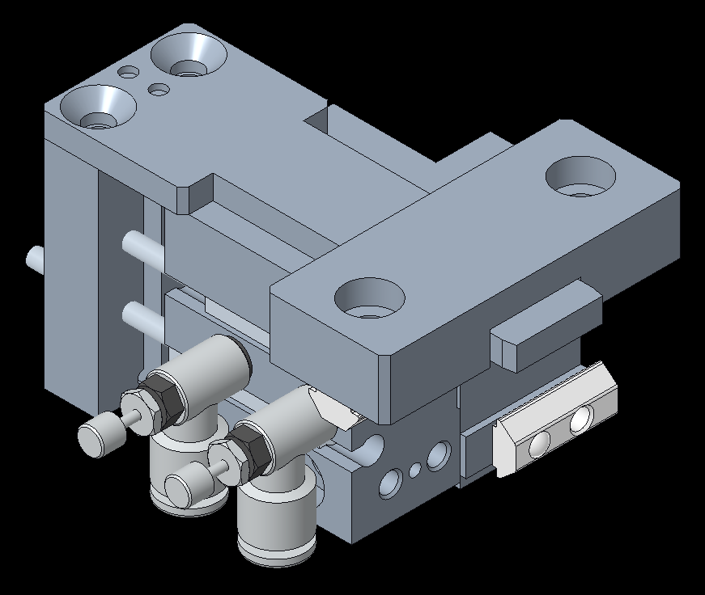
6
7
8
9
10
11
12
13
14
1
3
15
16
2
17
4
18
3
19
1
20
2
4
21
22
23
24
25

OUTPUT
NO | DESCRIPTION | BRAND | PART NO | IO NO | REMARK
1 | SVLeftStopperExt | AIRTAC | 6V0520J04B050 | Y203
2 | SVLeftStopperRet | AIRTAC | 6V0520J04B050 | Y204
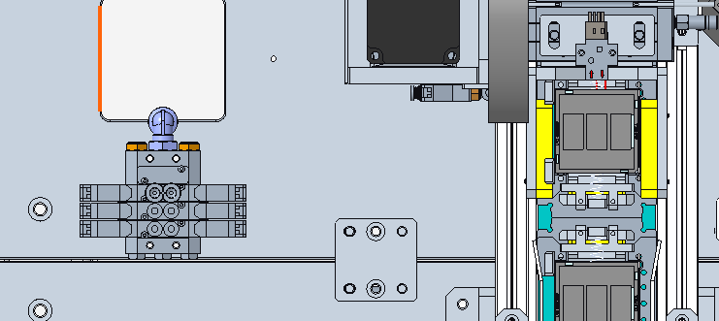
3 | SVRightStopperExt | AIRTAC | 6V0520J04B050 | Y303
4 | SVRightStopperRet | AIRTAC | 6V0520J04B050 | Y304
5
6
7
8
9
10
11
12
13
14
2
1
15
4
3
16
17
18
19
20
21
22
23
24
25

MOTOR
NO | DESCRIPTION | BRAND | PART NO | IO NO | REMARK
1
2
3
4
5
6
7
8
9
10

MAGAZINE LOADER
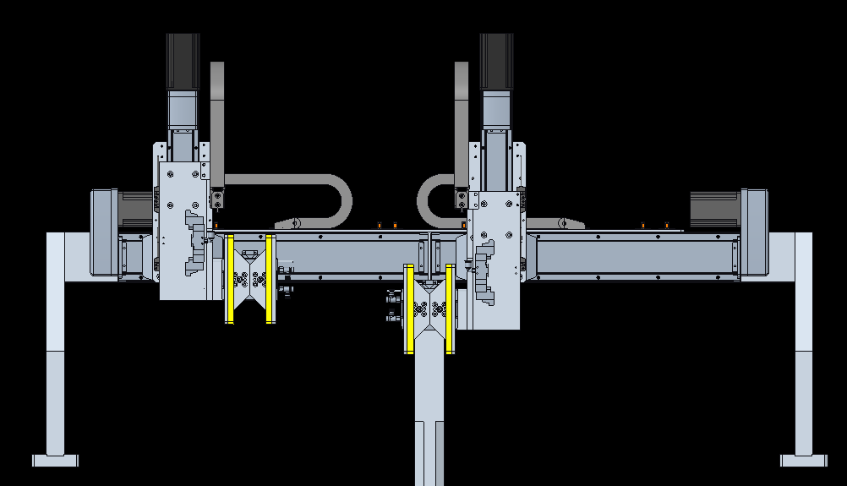
2
4
INPUT
NO | DESCRIPTION | BRAND | PART NO | IO NO | REMARK
1 | SensLeftMagInPos | PANASONIC | PM-T45 | X210
2 | SensRightMagInPos | PANASONIC | PM-T45 | X310
3 | SensleftMagPrst | OMRON | EE-SY672 | X211
4 | SensRightMagPrst | OMRON | EE-SY672 | X311
5 | SensLeftGripperOpen | AIRTAC | DMSH-020 | X212
6 | SensLeftGrippeClosed | AIRTAC | DMSH-020 | X213
+
7 | SensRightGripperOpen | AIRTAC | DMSH-020 | X312
+
8 | SensRightGrippeClosed | AIRTAC | DMSH-020 | X313
1
H
H
3
9
2
10
3
3
11
-
4
-
12
1
4
13
14
15
16
17
18
19
20
21
22
23
24
25

H
+
-
H
+
-
1
2
OUTPUT
NO | DESCRIPTION | BRAND | PART NO | IO NO | REMARK
1 | SVLeftGripperOpen | AIRTAC | 6V0530CM5B050 | Y206 | CENTER CLOSED
2 | SVLeftGripperClose | AIRTAC | 6V0530CM5B050 | Y207 | CENTER CLOSED
5
6
7
8
3 | SVRightGripperOpen | AIRTAC | 6V0530CM5B050 | Y306 | CENTER CLOSED
4 | SVRightGripperClose | AIRTAC | 6V0530CM5B050 | Y307 | CENTER CLOSED
5
6
7
8
9
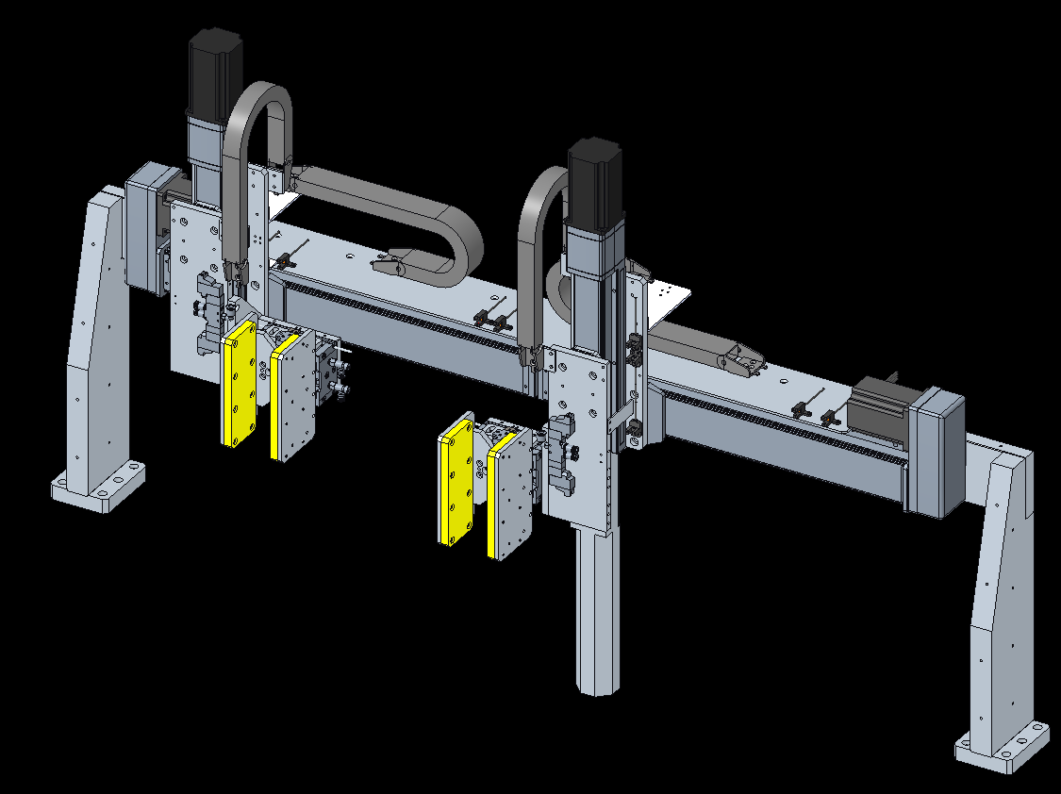
10
11
12
13
14
15
16
17
18
19
20
21
22
23
24
25

MOTOR
NO | DESCRIPTION | BRAND | PART NO | IO NO | REMARK
1 | Left-X-MagzineLoader | MOONS | AM24HS5401-10N |  | DRIVER:SR4+, 24V, LEAD:20MM
2 | Left-Z-MagzineLoader | MOONS | AM23HS84B0-BR01 |  | DRIVER:SR4+, 24V, LEAD:20MM, WITH BRAKE
3 | Right-X-MagzineLoader | MOONS | AM24HS5401-10N |  | DRIVER:SR4+, 24V, LEAD:20MM
4 | Right-Z-MagzineLoader | MOONS | AM23HS84B0-BR01 |  | DRIVER:SR4+, 24V, LEAD:20MM, WITH BRAKE
5
6
7
8
9
10

MAGAZINE HOLDER
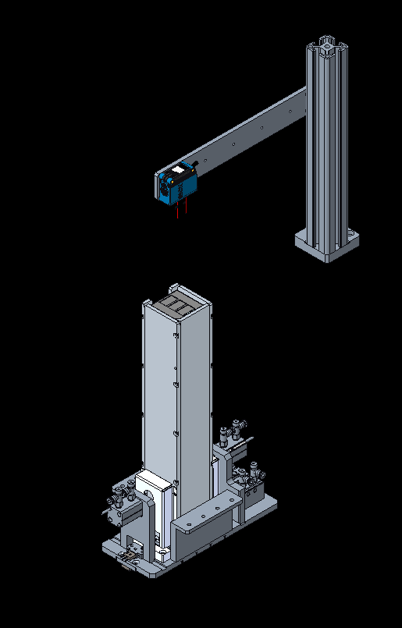
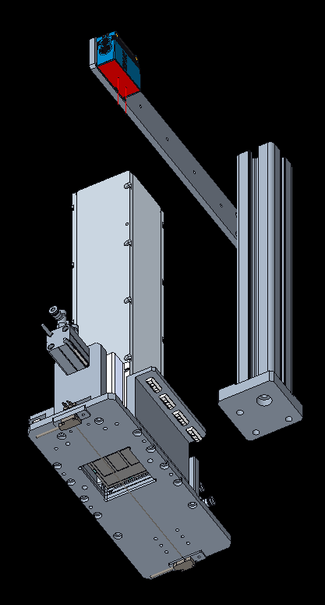
INPUT
NO | DESCRIPTION | BRAND | PART NO | IO NO | REMARK
1 | SensMagUnitPrst | SICK | GTB10-N1211 | X500
2 | SensMagPrst | OMRON | EE-SY672+EE-1001 | X501
3 | SensUnitClear | PANASONIC | EX-13EA | X502
4 | SensMagPreciseRet | AIRTAC | DMSG-020 | X503
5 | SensMagPreciseExt | AIRTAC | DMSG-020 | X504
6 | SensMagUnitSupportClose | AIRTAC | DMSG-020 | X505 | SERIES
1
7 | SensMagUnitSupportOpen | AIRTAC | DMSG-020 | X506 | SERIES
8
9
10
11
12
13
14
15
16
17
18
19
20
3
21
6
4u sat
22
23
7
24
25

2
3
OUTPUT
NO | DESCRIPTION | BRAND | PART NO | IO NO | REMARK
1 | SVMagPreciseRet | AIRTAC | 6V0520J04B050 | Y500
2 | SVMagPreciseExt | AIRTAC | 6V0520J04B050 | Y501
3 | SVMagUnitSupportClose | AIRTAC | 6V0520J04B050 | Y502
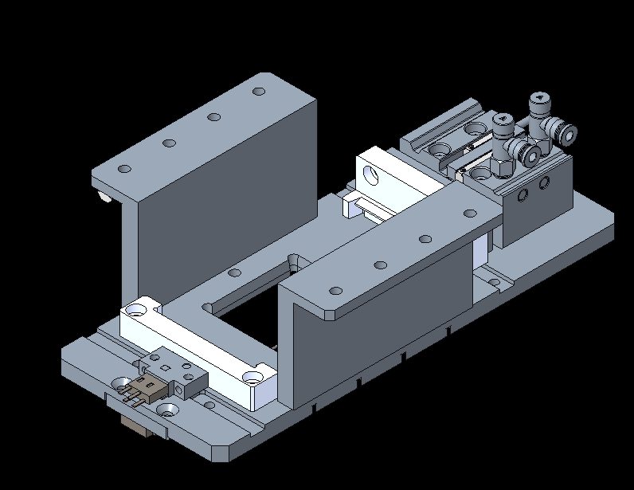
4 | SVMagUnitSupportOpen | AIRTAC | 6V0520J04B050 | Y503
5
2
6
4
1
7
5
8
9
10
11
12
13
14
15
16
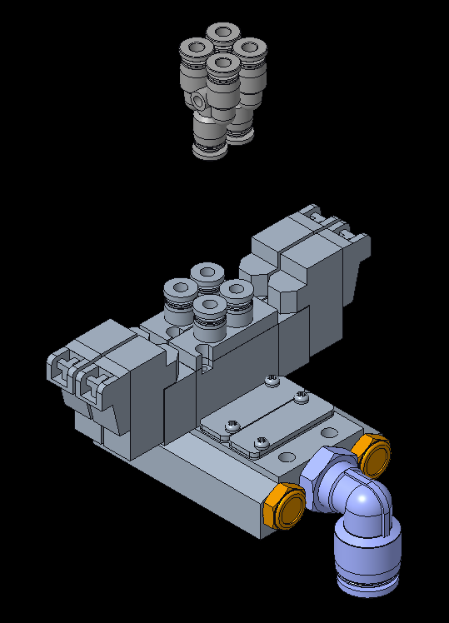
17
18
19
20
21
22
23
24
25

MOTOR
NO | DESCRIPTION | BRAND | PART NO | IO NO | REMARK
1
2
2
3
1
4u sat
4
3
5
6
7
8
9
10

TURN TABLE
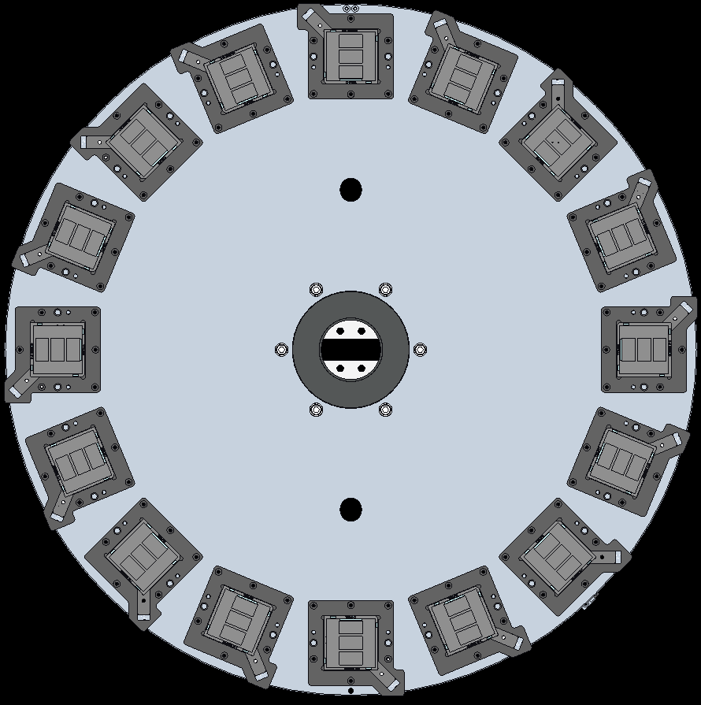
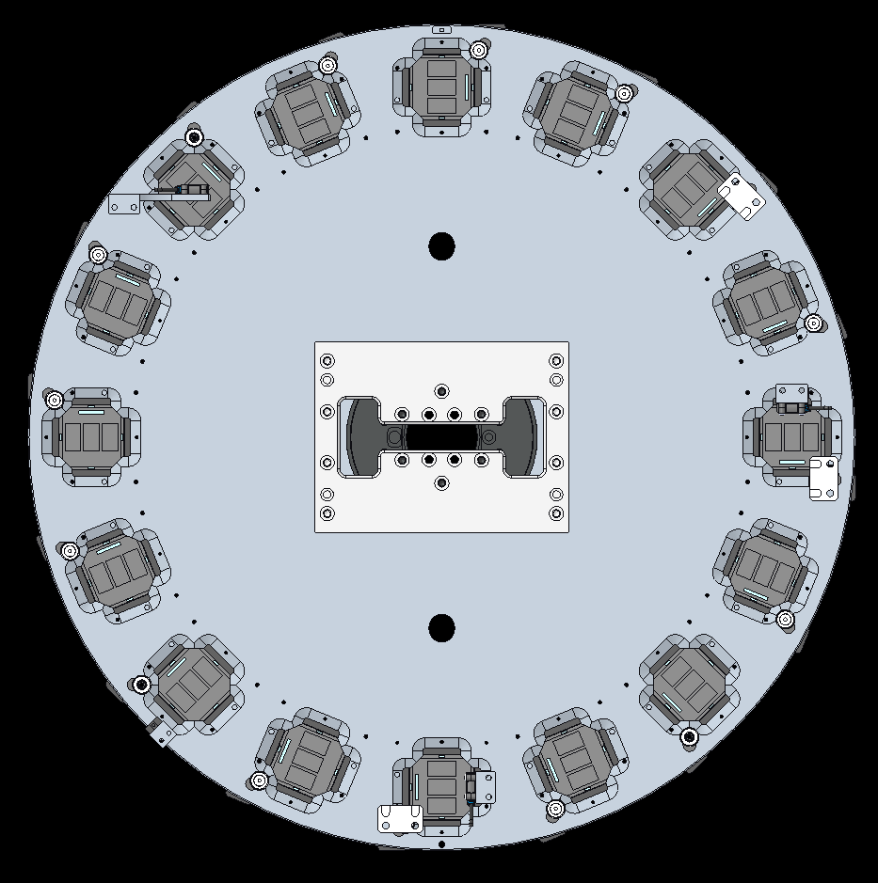
INPUT
NO | DESCRIPTION | BRAND | PART NO | IO NO | REMARK
1 | SensTableInUnitPrst | SICK | GTB2S-N1331 | X507
2
2 | SensTableLaserUnitPrst | SICK | GTB2S-N1331 | X508
BOTTOM VIEW
3 | SensTableOutUnitPrst | SICK | GTB2S-N1331 | X509
TOP VIEW
4
5
6
7
8
3
9
10
3
11
12
13
14
15
H
16
17
1
18
19
20
21
22
23
24
25

OUTPUT
NO | DESCRIPTION | BRAND | PART NO | IO NO | REMARK
1
2
3
4
5
6
7
8
9
10
11
12
13
14
15
16
17
18
19
20
21
22
23
24
25

MOTOR
NO | DESCRIPTION | BRAND | PART NO | IO NO | REMARK
1 | MOTOR | YASKAWA | SGM7D-38JFC-YS11 |  | DRIVER: SGD7S-120A00A008F83
2
3
4
5
6
7
8
9
10

LIFTER
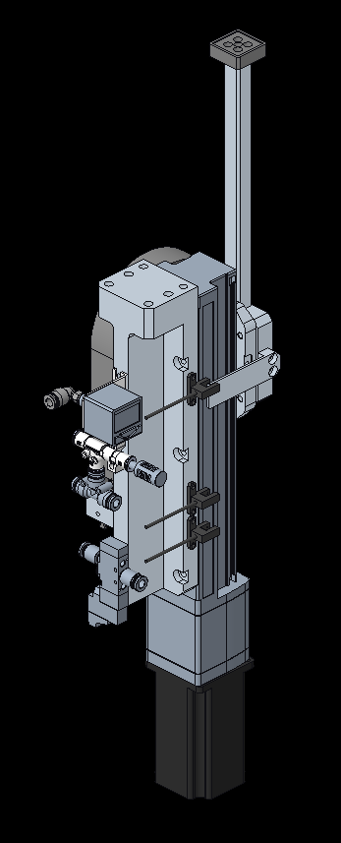
INPUT
NO | DESCRIPTION | BRAND | PART NO | IO NO | REMARK
1 | SensInLiftVacuum | AIRTAC | DPSN101020 | X510
2 | SensOutLiftVacuum | AIRTAC | DPSN101020 | X511
3
4
5
6
7
8
9
10
11
12
13
14
15
16
17
18
19
20
21
22
+
23
1
24
2
25

OUTPUT
NO | DESCRIPTION | BRAND | PART NO | IO NO | REMARK
1 | SvInLiftVacuumON | AIRTAC | 6V0510M5B050 | Y504
H
2 | SvOutLiftVacuumON | AIRTAC | 6V0510M5B050 | Y505
3
4
-
5
6
7
8
9
1
10
2
11
12
13
14
15
16
17
18
1
2
19
20
21
22
23
24
25

MOTOR
NO | DESCRIPTION | BRAND | PART NO | IO NO | REMARK
1 | InputLifterMotor | MOONS | AM23HS84B0-BR01 |  | DRIVER: STF06-D, WITH BRAKE, 24V, LEAD:20MM
2 | OutputLifterMotor | MOONS | AM23HS84B0-BR01 |  | DRIVER: STF06-D, WITH BRAKE, 24V, LEAD:20MM
3
4
5
6
7
8
9
10

BLOWER
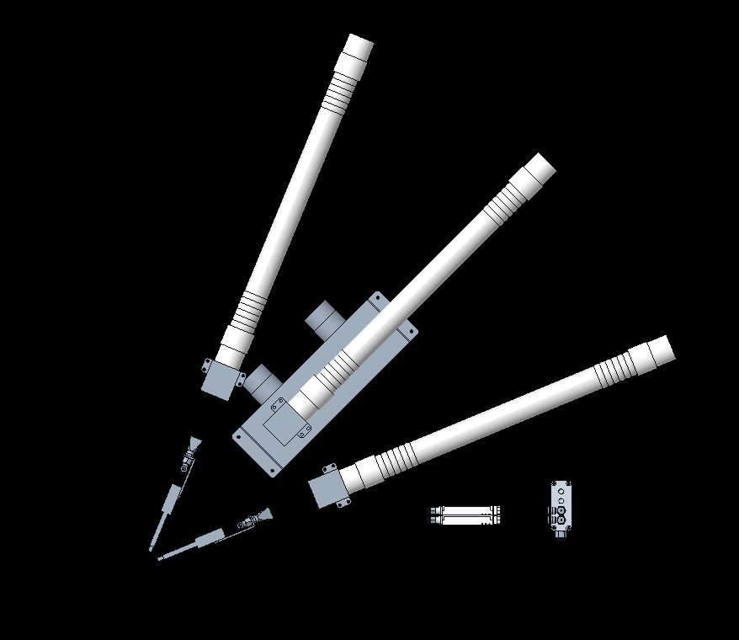
INPUT
NO | DESCRIPTION | BRAND | PART NO | IO NO | REMARK
1 | BlowerON | AIRTAC | 6V0510M5B050 | X111
2 | BlowerErr | AIRTAC | 6V0510M5B050 | X112
3
4
5
6
7
8
9
10
11
12
13
14
15
16
17
18
19
20
21
22
23
24
25

3
2
1
1
2
OUTPUT
NO | DESCRIPTION | BRAND | PART NO | IO NO | REMARK
1 | SVPreBlower | SMC | IZN10E-1106 | Y110
2 | SVPostBlower | SMC | IZN10E-1106 | Y111
3 | SVBlowerON | AIRTAC | 6V0510M5B050 | Y112 | MASTER ON
4 | BlowerErrReset |  |  | Y113
5
6
7
8
9
10
11
12
13
14
15
16
17
18
19
20
21
22
23
24
25

MOTOR
NO | DESCRIPTION | BRAND | PART NO | IO NO | REMARK
1
2
3
4
5
6
7
8
9
10

OCR READER
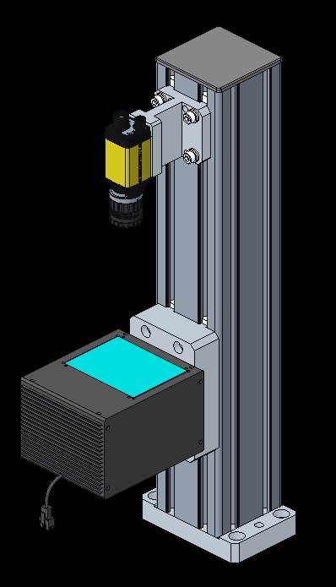
INPUT
NO | DESCRIPTION | BRAND | PART NO | IO NO | REMARK
1
2
3
4
5
6
7
8
9
10
11
12
13
14
15
16
17
18
19
20
21
22
23
24
25

OUTPUT
NO | DESCRIPTION | BRAND | PART NO | IO NO | REMARK
1 | OCRLightON |  |  | Y411
2
3
4
5
6
7
8
9
10
11
12
13
14
15
16
17
18
19
20
21
22
23
24
25

MOTOR
NO | DESCRIPTION | BRAND | PART NO | IO NO | REMARK
1
2
3
4
5
6
7
8
9
10

COMPONENT
NO | DESCRIPTION | BRAND | PART NO | IO NO | REMARK
1 | CO-AXIAL LIGHTING, WHITE, 80MM | COGNEX | CAS2-00-080-X-W-24V
2 | LIGHTING CONTROLLER, POWER SUPPLY WITH CABLE | COGNEX | SD-1000-D1-PS2.7A-UK
3 | LIGHTING EXTENSION CABLE 24V, 3M | COGNEX | EXT-24V-F-3M
4 | 2/3" 25MM F1.14 C-MOUNT LENS, 1.5 MEGAPIXEL | COGNEX | HF25HA-1S
5 | IN-SIGHT 8402/MONOCHROME/2MP/PATMAX ONLY | COGNEX | IS8402M-363-50
6 | COGNEXT X-CODED M12 ETHERNET CABLE (5M LENGTH) | COGNEX | CCB-84901-2001-05
7 | PSE POE PWR SUPPLY AC-UK | COGNEX | CPS-AC-POE1A-UK
8
9
10

LASER
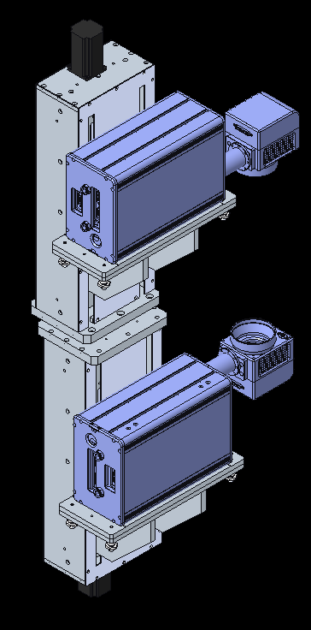
1
INPUT
NO | DESCRIPTION | BRAND | PART NO | IO NO | REMARK
1 | TopLaserChillerON | COOLING STYLE | CS-MRC-Q420AC01 | X106
2 | TopLaserChillerErr | COOLING STYLE | CS-MRC-Q420AC01 | X107
3 | TopLaserChillerRun | COOLING STYLE | CS-MRC-Q420AC01 | X108
4 | BottomLaserChillerON | PURE-AIR TECH | PA-300TD-IQ | X109 |  | X106 | TopLaserChillerON
5 | BottomLaserChillerErr | COOLING STYLE | CS-MRC-Q420AC01 | X110 |  | X107 | TopLaserChillerErr
6 | BottomLaserChillerRun | COOLING STYLE | CS-MRC-Q420AC01 | X111 |  | X108 | TopLaserChillerRun
7 | FumeExtractorON | PURE-AIR TECH | PA-300TD-IQ | X112 |  | X109 | BottomLaserChillerON
8 |  |  |  |  |  | X110 | BottomLaserChillerErr
9 |  |  |  |  |  | X111 | BottomLaserChillerRun
10 |  |  |  |  |  | X112 | FumeExtratorON
11 |  |  |  |  |  | X113 | BlowerON
12 |  |  |  |  |  | X114 | BlowerErr
13
14
15
16
17
18
19
20
21
22
23
24
25

OUTPUT
NO | DESCRIPTION | BRAND | PART NO | IO NO | REMARK
1 | ChillerTopLaserON | COOLING STYLE | CS-MRC-Q420AC01 | Y106
2 | ChillerBottomLaserON | COOLING STYLE | CS-MRC-Q420AC01 | Y107
3 | FumeExtractorON | PURE-AIR TECH | PA-300TD-IQ | Y108
4
5
6
7
8
9
10
11
12
13
14
2
15
16
17
18

19
20
21
1
22
23
24
25

MOTOR
NO | DESCRIPTION | BRAND | PART NO | IO NO | REMARK
1 | TopLaserMotor | MOONS | AM23HS84B0-BR01 |  | DRIVER:STFO6-D, WITH BRAKE, HOME UP, 24V, LEAD:5MM
H
2 | BottomLaserMotor | MOONS | AM23HS84B0-BR01 |  | DRIVER:STF06-D, WITH BRAKE, HOME DOWN, 24V, LEAD:5MM
3
4
+L
5
6
H
7
8
9
10

H
-L

-L

2

2D ID READER
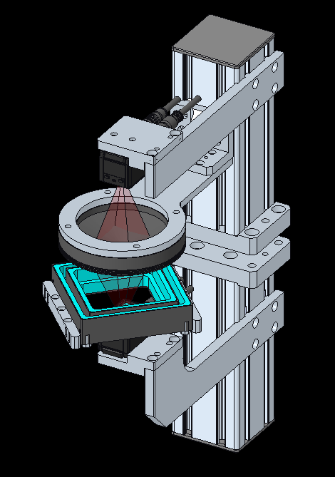
INPUT
NO | DESCRIPTION | BRAND | PART NO | IO NO | REMARK
1
2
3
4
5
6
7
8
9
10
11
12
13
14
15
16
17
18
19
1
20
21
22
23
24
25
2
OUTPUT
NO | DESCRIPTION | BRAND | PART NO | IO NO | REMARK
1 | 2DIDLight_1ON |  |  | Y412
2 | 2DIDLight_2ON |  |  | Y413
3
4
5
6
7
8
9
10
11
12
13
14
15
16
17
18
19
20
21
22
23
24
25

MOTOR
NO | DESCRIPTION | BRAND | PART NO | IO NO | REMARK
1
2
3
4
5
6
7
8
9
10

COMPONENT
NO | DESCRIPTION | BRAND | PART NO | IO NO | REMARK
1 | TopCodeReader | KEYENCE | SR-X300W
2 | TopCodeReader | KEYENCE | SR-X300W
3 | TopRingLight | CCS | LDR2-132SW2-LA
4 | BottomSquareLight | CCS | FPQ3-120SW
5 | LightingController | CCS
6
7
8
9
10

REJECT
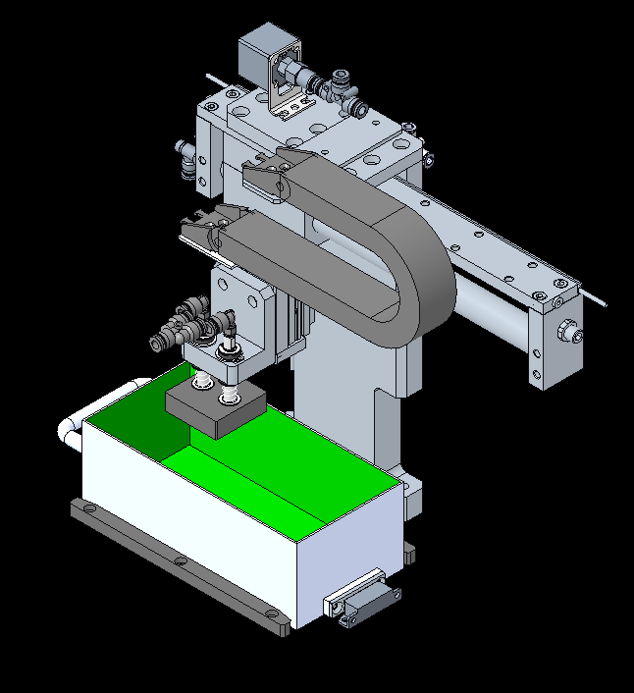
1
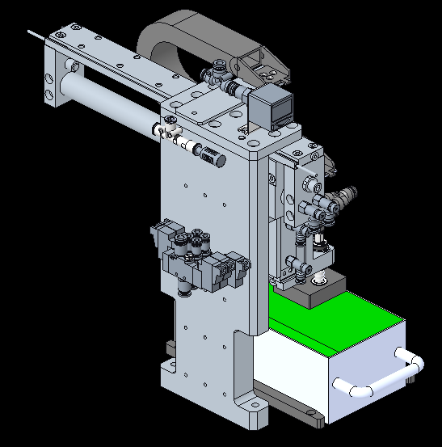
5
INPUT
NO | DESCRIPTION | BRAND | PART NO | IO NO | REMARK
1 | SensRejectVacuum | AIRTAC | DMSH-020 | X400
2 | SensRejectLifterUp | AIRTAC | DMSH-020 | X401
3 | SensRejectLifterDown | AIRTAC | DMSH-020 | X402
4 | SensRejectArmPick | AIRTAC | DMSH-020 | X403
1
5 | SensRejectArmPlace | AIRTAC | DMSH-020 | X404
6 | SensRejectBinPrst | MISUMI | MGSTK | X405
4
7
4
5
8
9
3
10
11
2
12
13
14
15
16
6
17
18
19
20
21
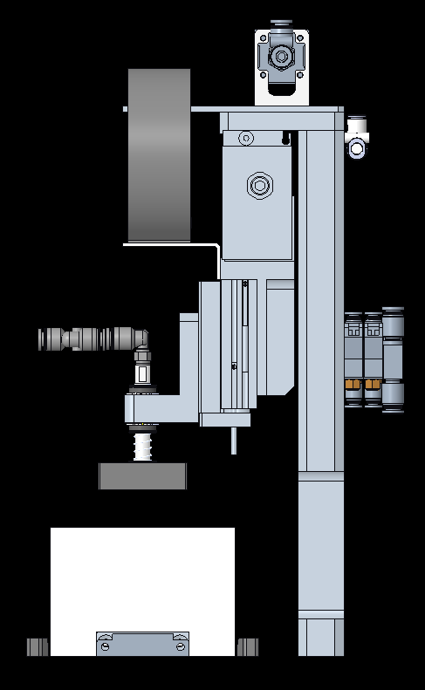
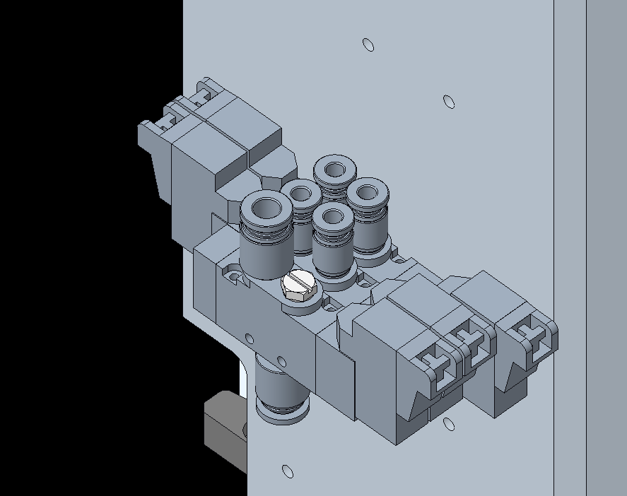
22
23
24
25
5
3
OUTPUT
NO | DESCRIPTION | BRAND | PART NO | IO NO | REMARK
1 | SVRejectVacuumOn | AIRTAC | 6V0510M5B050 | Y400
2 | SVRejectVacuumLifterUp | AIRTAC | 6V0520M5B050 | Y401
3 | SVRejectVacuumLifterDown | AIRTAC | 6V0520M5B050 | Y402
4 | SVRejectArmPick | AIRTAC | 6V0530CM5B050 | Y403 | CENTER CLOSED
5 | SVRejectArmPlace | AIRTAC | 6V0530CM5B050 | Y404 | CENTER CLOSED
4
6
2
7
1
8
2
9
10
11
12
3
13
14
15
16
17
18
19
20
21
22
23
24
25

MOTOR
NO | DESCRIPTION | BRAND | PART NO | IO NO | REMARK
1
2
3
4
5
6
7
8
9
10

OUTPUT ROTARY TABLE
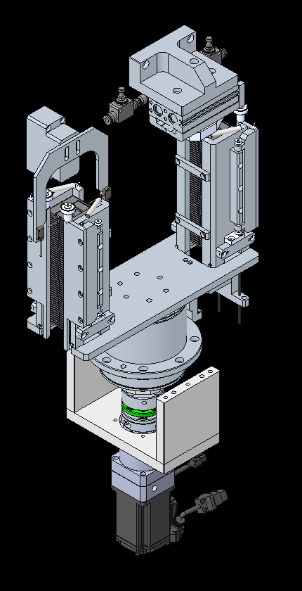
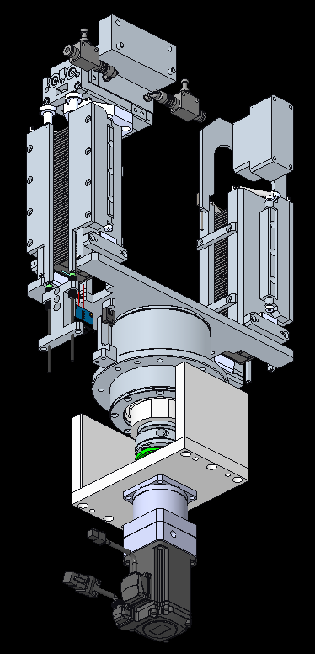
1
INPUT
NO | DESCRIPTION | BRAND | PART NO | IO NO | REMARK
1 | SensOutRotTableUnitPrst | GTB6-N1212 | GTB6-N1212 | X407
2
2 | SensOutRotTableCoverSafety | AUTONICS | PR08-2DN | X408 | LINK SERIES
4
3 | SensOutRotTableCoverClose | AIRTAC | DMSH-020 | X409
3
4 | SensOutRotTableCoverOpen | AIRTAC | DMSH-020 | X410
5 | SensOutRotTableUnitFull | PANASONIC | EX-13EA | X411 | NC
6
5
7
8
9
10
2
2
11
1
H
12
13
14
15
16
17
18
19
20
21
22
23
24
1
25

OUTPUT
NO | DESCRIPTION | BRAND | PART NO | IO NO | REMARK
1 | SVOutRotTableCoverClose | AIRTAC | 6V0520M5B050 | Y407
2 | SVOutRotTableCoverOpen | AIRTAC | 6V0520M5B050 | Y408
3
4
5
6
7
8
9
10
11
12
13
14
1
2
15
16
17
18
19
20
21
22
23
24
25

MOTOR
NO | DESCRIPTION | BRAND | PART NO | IO NO | REMARK
1 | ROTARY MOTOR | DELTA | ECM-B3M-C20604RS1 |  | GEAR RATIO 10
2
3
4
5
6
7
8
9
10

ROBOT PICK&PLACE
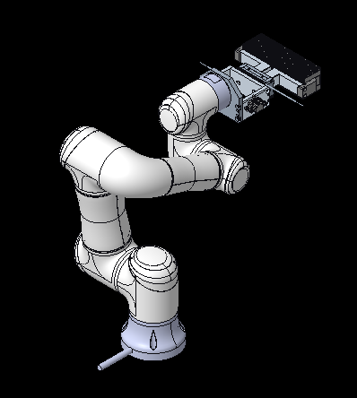
INPUT
NO | DESCRIPTION | BRAND | PART NO | IO NO | REMARK
1 | SensGripperOpen | AIRTAC | DMSH-020
1
1
3
2 | SensGripperClosed | AIRTAC | DMSH-020
2
3 | SensUnitprst | SICK | GTB2S-N1331
2
4
5
6
7
8
9
10
11
12
13
14
15
16
17
18
19
20
21
22
23
24
25

OUTPUT
NO | DESCRIPTION | BRAND | PART NO | IO NO | REMARK
1 | SVGripperOpen | AIRTAC | 6V0530J04B050 |  | CENTER CLOSED
2 | SVGripperClose | AIRTAC | 6V0530J04B050 |  | CENTER CLOSED
3
4
5
6
7
8
9
10
11
12
13
14
15
16
17
18
19
20
21
22
23
24
25

MOTOR
NO | DESCRIPTION | BRAND | PART NO | IO NO | REMARK
1
2
3
4
5
6
7
8
9
10

STRAPPING
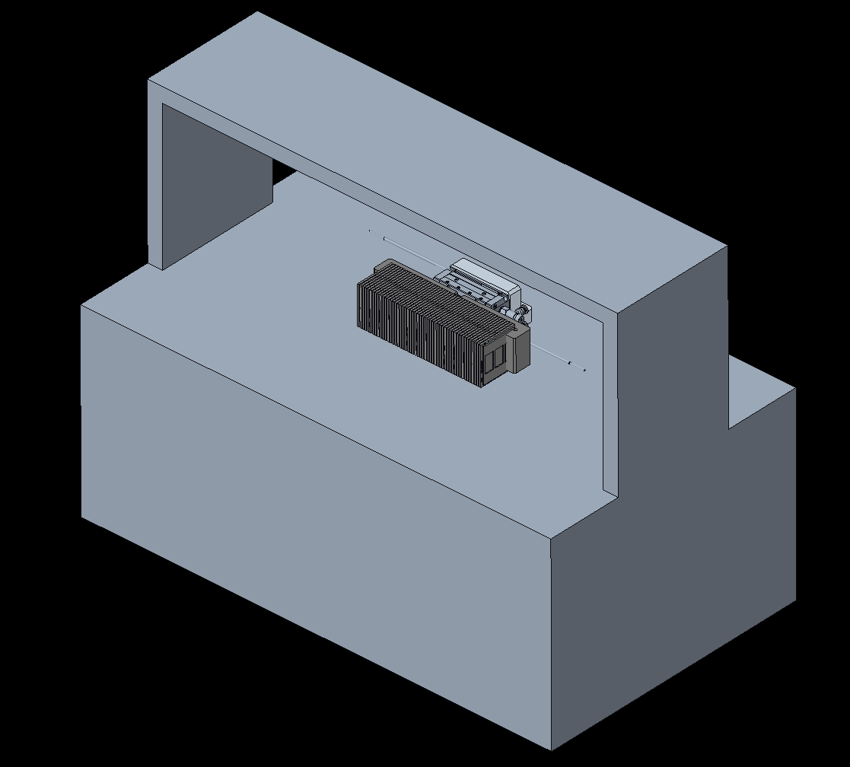
INPUT
NO | DESCRIPTION | BRAND | PART NO | IO NO | REMARK
1 | SensGripperOpen | AIRTAC | DMSH-020 | X600
2 | SensGripperClosed | AIRTAC | DMSH-020 | X601
3 | SensStrappingUnitPrst | SICK | GTB2S-N1331 | X602
4 | Strapping In |  |  | X603
5 | Strapping In |  |  | X604
6
7
8
1
9
1
10
2
11
3
12
13
2
14
15
16
17
18
19
20
21
22
23
24
25

OUTPUT
NO | DESCRIPTION | BRAND | PART NO | IO NO | REMARK
1 | SVGripperOpen | AIRTAC | 6V0530J04B050 | Y600 | CENTER CLOSED
2 | SVGripperClose | AIRTAC | 6V0530J04B050 | Y601 | CENTER CLOSED
3 | Strapping Out |  |  | Y602
4 | Strapping Out |  |  | Y603
5
6
7
8
9
10
11
12
13
14
15
16
17
18
19
20
21
22
23
24
25

MOTOR
NO | DESCRIPTION | BRAND | PART NO | IO NO | REMARK
1
2
3
4
5
6
7
8
9
10

OUTPUT CONVEYOR
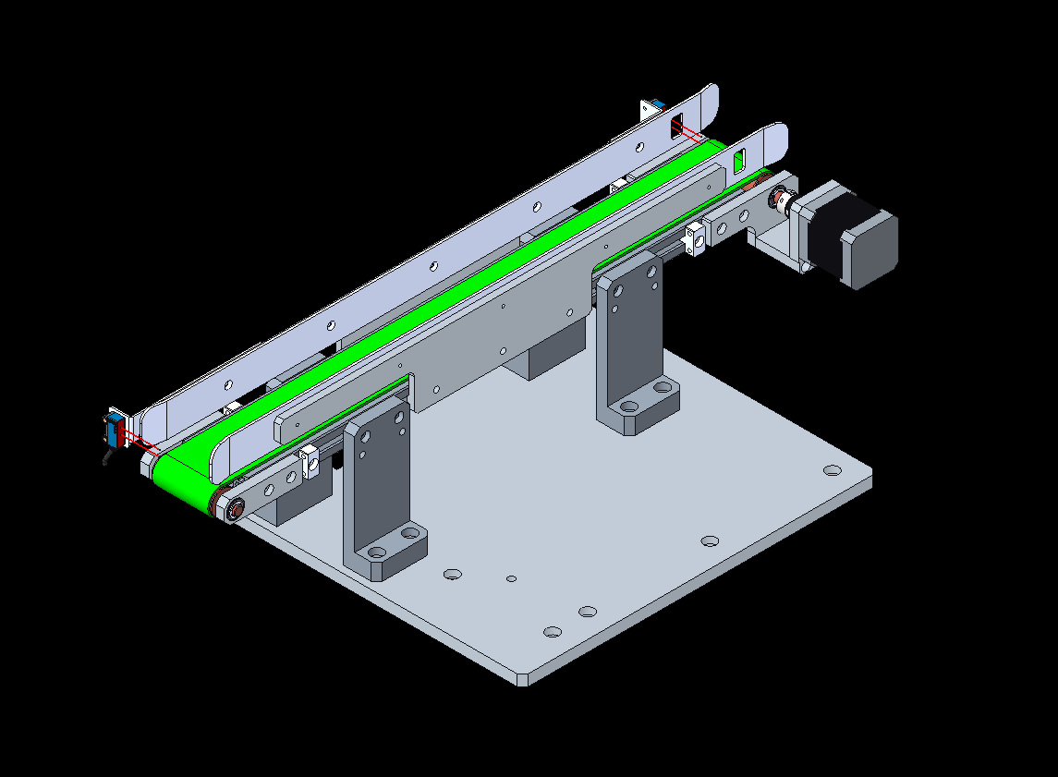
1
INPUT
NO | DESCRIPTION | BRAND | PART NO | IO NO | REMARK
1 | SensCVClear | SICK | GTB6-N1212 | X608 | NC
2 | SensUnitPrst | SICK | GTB2S-N1331 | X609
3
4
1
5
6
7
8
9
10
11
2
12
13
14
15
16
17
18
19
20
21
22
23
24
25

OUTPUT
NO | DESCRIPTION | BRAND | PART NO | IO NO | REMARK
1
2
3
4
5
6
7
8
9
10
11
12
13
14
15
16
17
18
19
20
21
22
23
24
25

MOTOR
NO | DESCRIPTION | BRAND | PART NO | IO NO | REMARK
1 | CvMotor | SPG | S6I06GX-V12CE+S6DA10B1 |  | SPEED CONTROLLER: SUA06IX-V12
2
3
4
5
6
7
8
9
10

